Test Report Details
Project Name
Project Description
Document Version
Created By
Creation Date

Test Summary
Number of Test Cases
Passed
Failed
Test Case Pass vs Fail
Passed
Failed

Defects Summary
Number of Defect:

Defect ID | Defect Name | Prority | State

DFC01
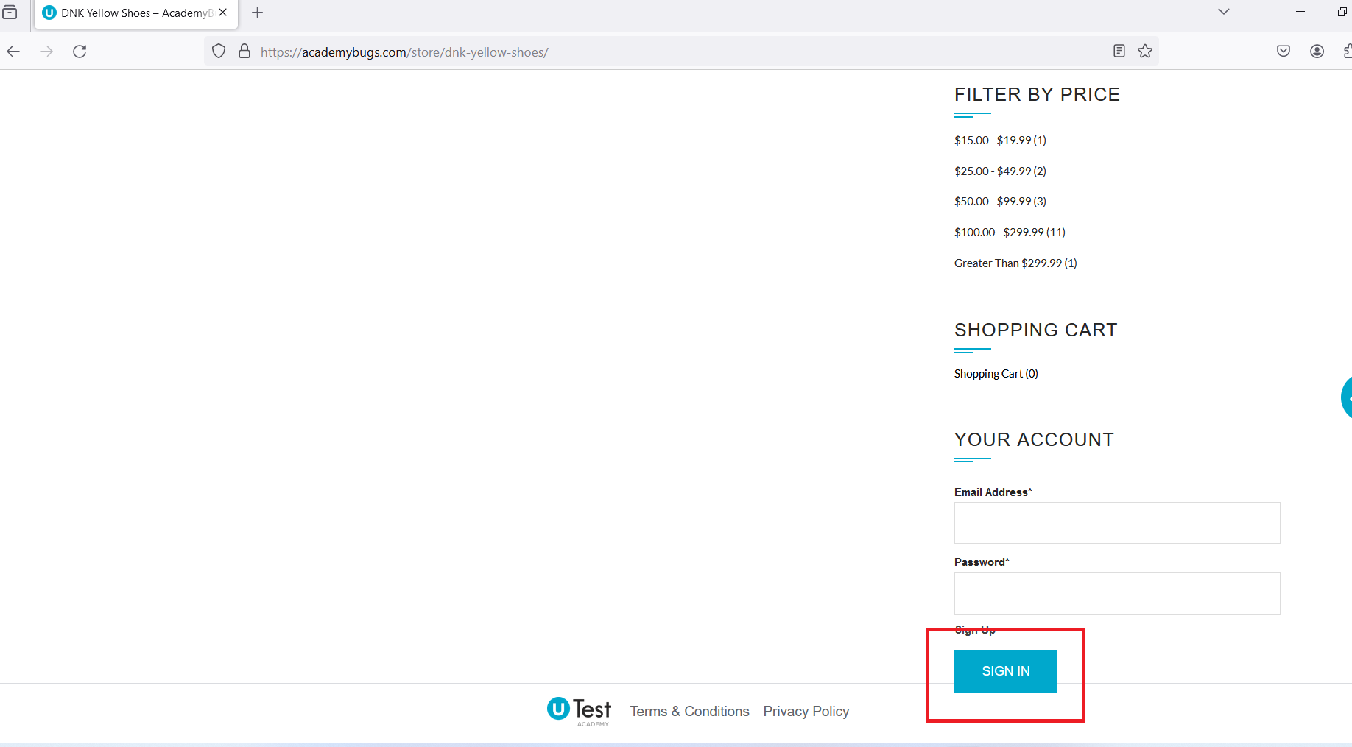
Defect ID | DFC01
Defect Name | Sign in button overlaps the footer
Description | During the sign up process on to www.academybugs.com site I noticed that the sign up button is overlaping the footing
State | New
Severity | Low
Priority | /
Project | testing the www.academybugs.com site
Submitted by | MilicaJovanovic
Owner | /
Steps to Reproduce | 1.open the www.academybugs.com site; 2.click Find bugs on the menu in the top right corner; 3.open DNK YELLOW SHOES product page; 4.Scroll down to the sign up section in the bottom right corner
Expected Results | sign up button is above the footig
Actual Results | sign up button is overlaping the footer
Environment | Windows 11, Microsoft Edge, Google Chrome,Firefox
Attachments | see attachments below

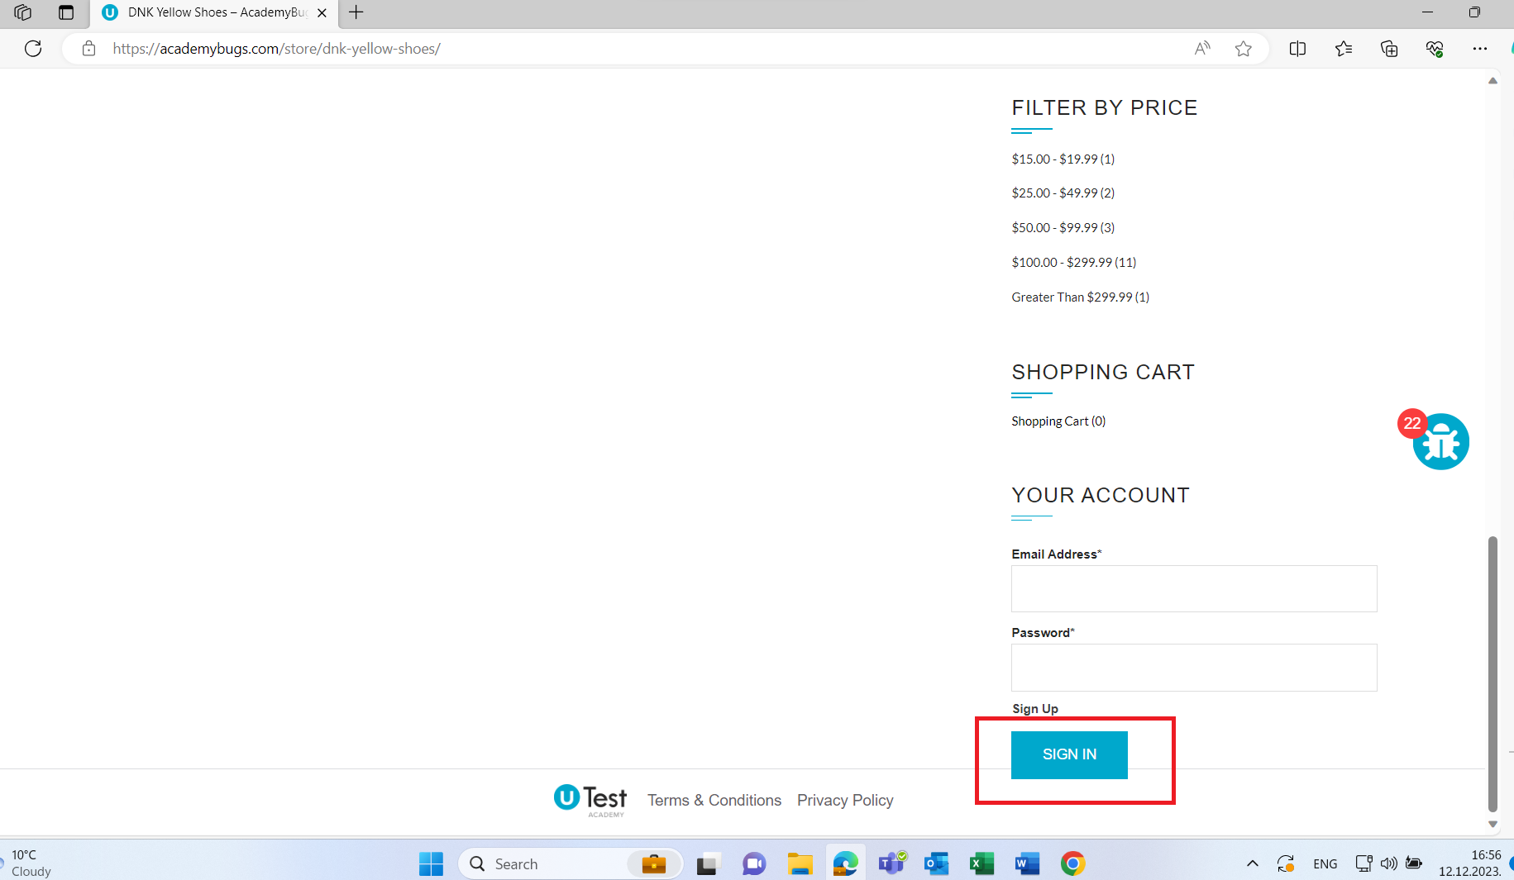
 | Microsoft Edge

 | Google Chrome
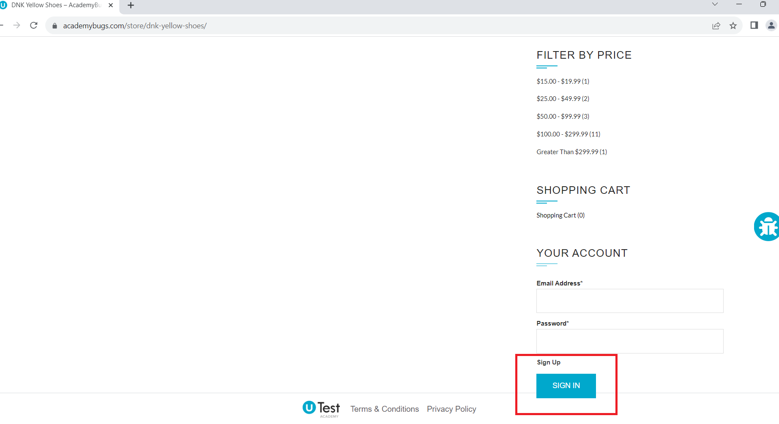

 | Firefox Mozila

DFC02
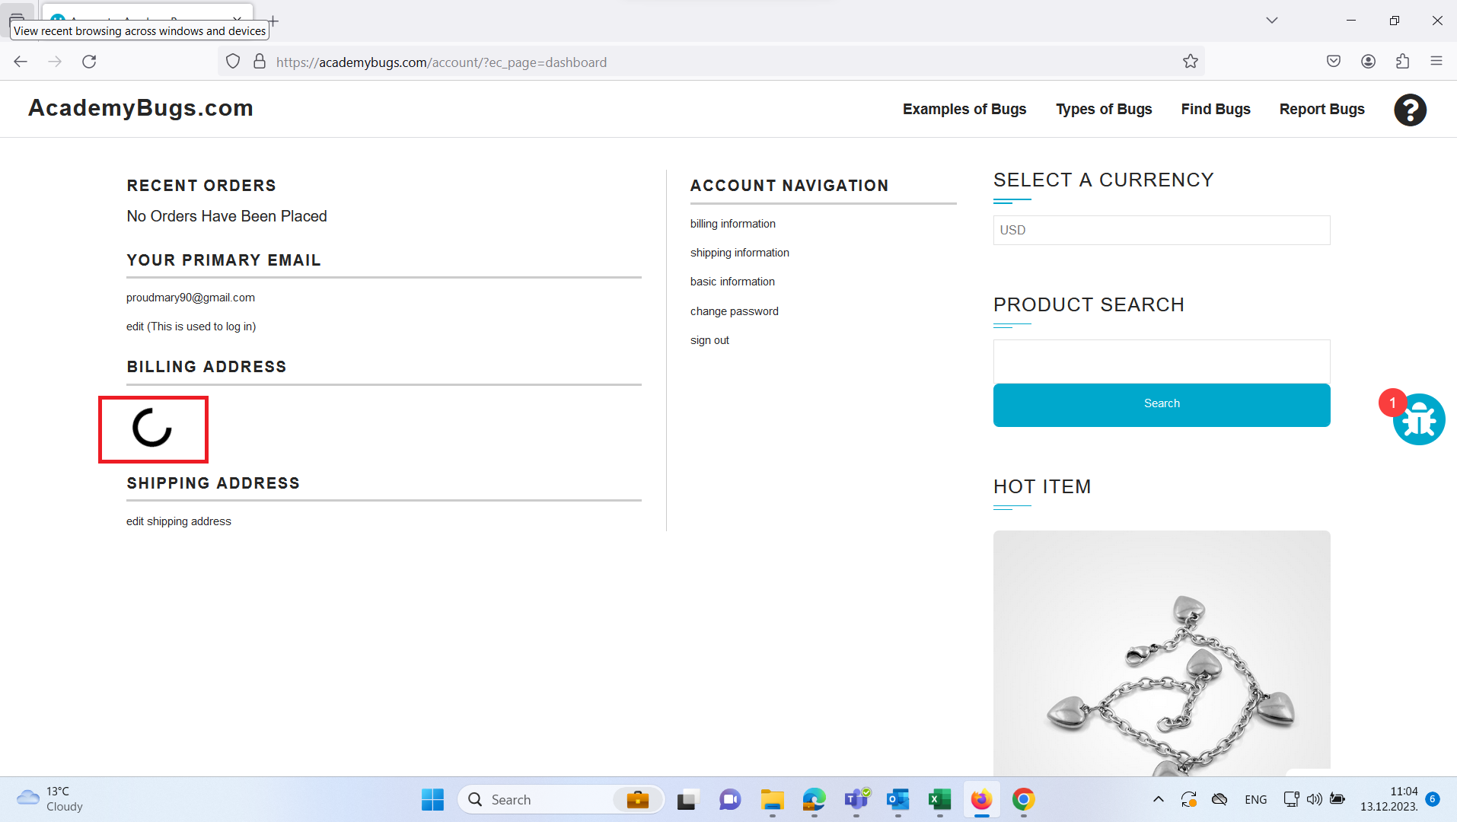
Defect ID | DFC02
Defect Name | Billing address is infinitely loads
Description | During the registration of a new user to www.academybugs.com site I noticed that the billing address is loading infinitely
State | new
Severity
Priority | /
Project | testing the www.academybugs.com site
Submitted by | Milica Jovanovic
Owner
Steps to Reproduce | 1.Open the www.academybugs.com site; 2.Click Find bugs on the menu in the top right corner; 3.Find DNK YELLOW SHOES product page; 4.Open DNK YELLOW SHOES product page 5.Scroll down to the sign in section in the bottom right corner 6.In the "Email*" field intup correct information(proudmary90@gmail.com) 7.In the "Password*" field input correct information(Queentina90*) 8.Click Sign In button 9.Account navigation page opens 10.Billing address is loading infinitely
Expected Results | billing address is loaded
Actual Results | billing address is infinitely loading
Environment | Windows 11, Microsoft Edge, Google Chrome,Firefox
Attachments

 | Microsoft Edge
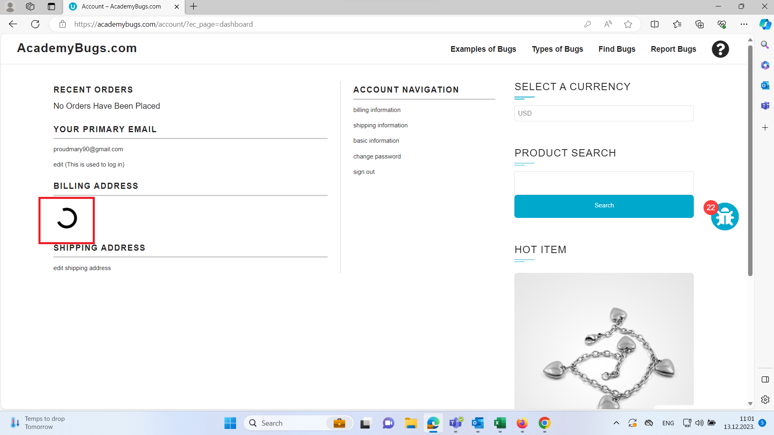

 | Google Chrome
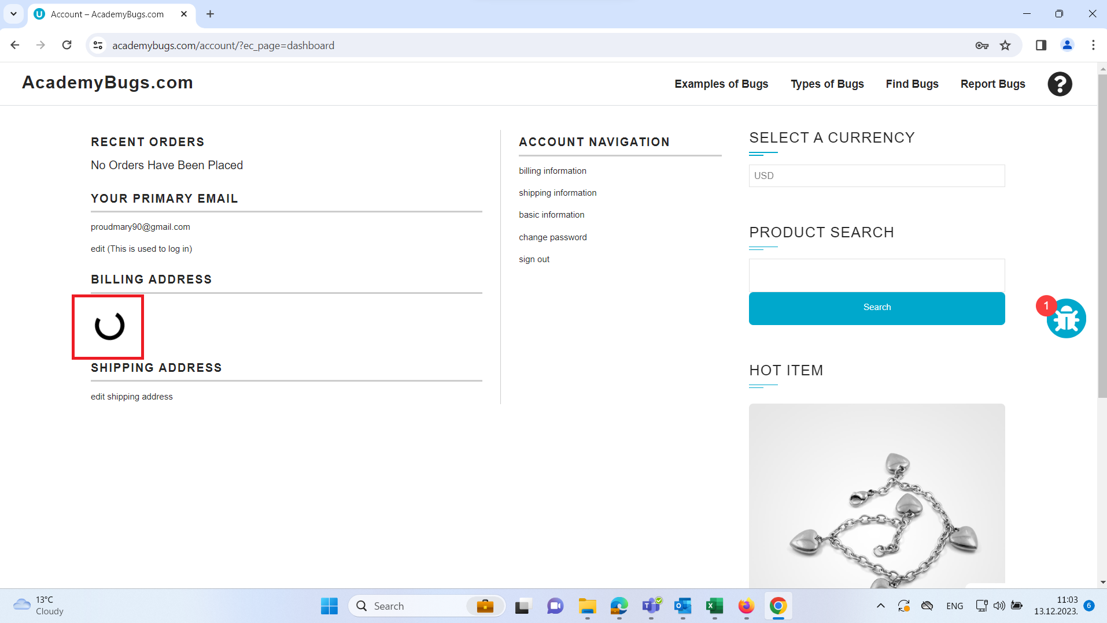

 | Firefox

Defects 03
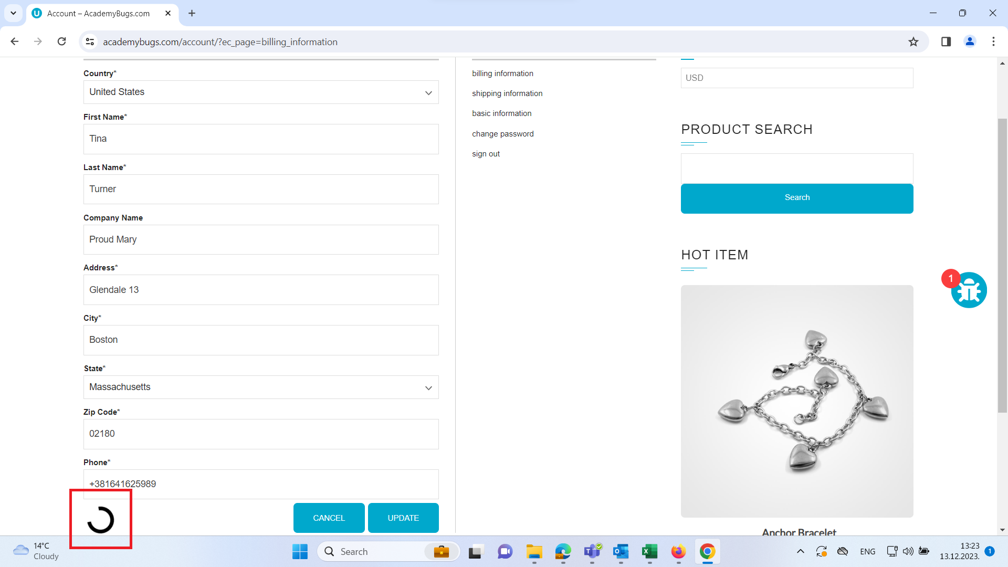
Defect ID | DFC 03
Defect Name | Billing information page is not updating information
Description | While testing updating user information, I found that the billing information is not updating the information inputed and is infinitely loading(see DFC02)
State | New
Severity
Priority | /
Project | testing the www.academybugs.com site
Submitted by | Milica Jovanovic
Owner
Steps to Reproduce | 1.Open the www.academybugs.com site; 2.Click Find bugs on the menu in the top right corner; 3.Open DNK YELLOW SHOES product page; 4.Scroll down to the sign in section in the bottom right corner; 5.In the "Email*" field intup correct information(proudmary90@gmail.com); 6.In the "Password*" field input correct information(Queentina90*); 7.Click Sign In button; 8.Account navigation page opens; 9.Click on the "Billing information" button; 10.Billing information page opens; 11.In the combo box choose United States option in it; 12.In the First Name field input the correct information(Tina); 13.In the Last Name field input correct information(Turner); 14.In the Company Name field input correct information(Porud Mary); 15.In the Address field input the correct information(Glendale 13); 16.In the City field input the correct information(Boston); 17.In the combo box choose correct information(Massachusetts); 18.In the Zip code field input the correct information(20108); 19.in the Phone field input the correct information(+381641625989); 20.Click the update button; 21.Information is not updated and the page loads infinitely;
Expected Results | information is inputed and page is updated
Actual Results | information is inputed and the page is not updated
Environment | Windows 11, Microsoft Edge, Google Chrome,Firefox
Attachments | see attachments below

 | Microsoft Edge
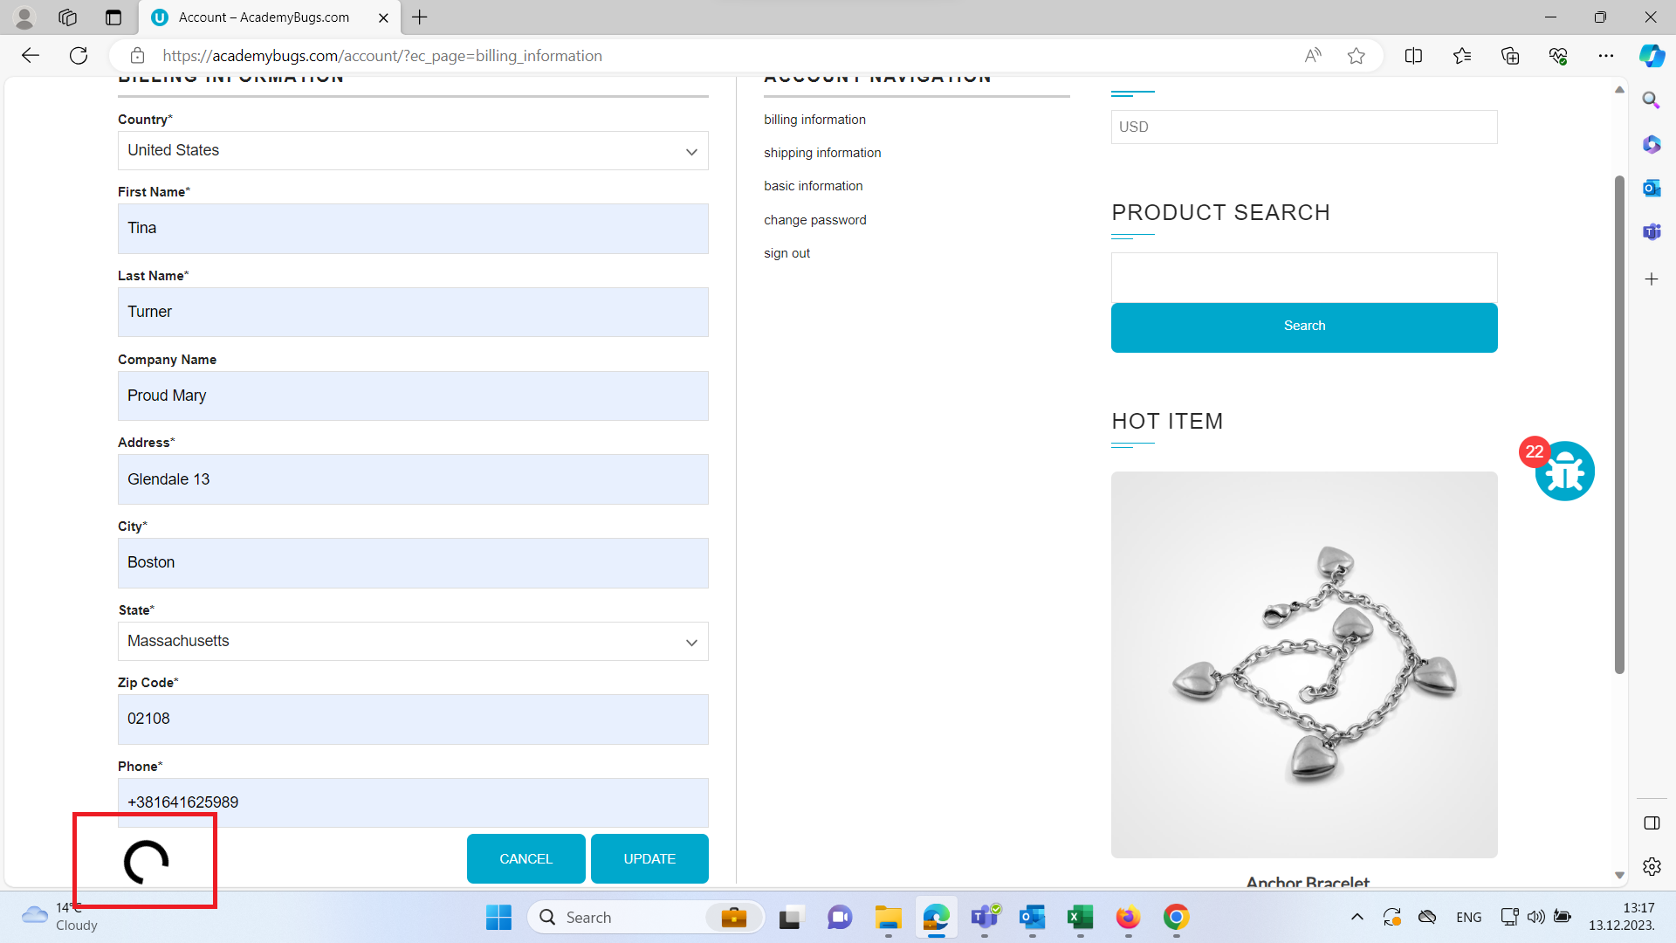

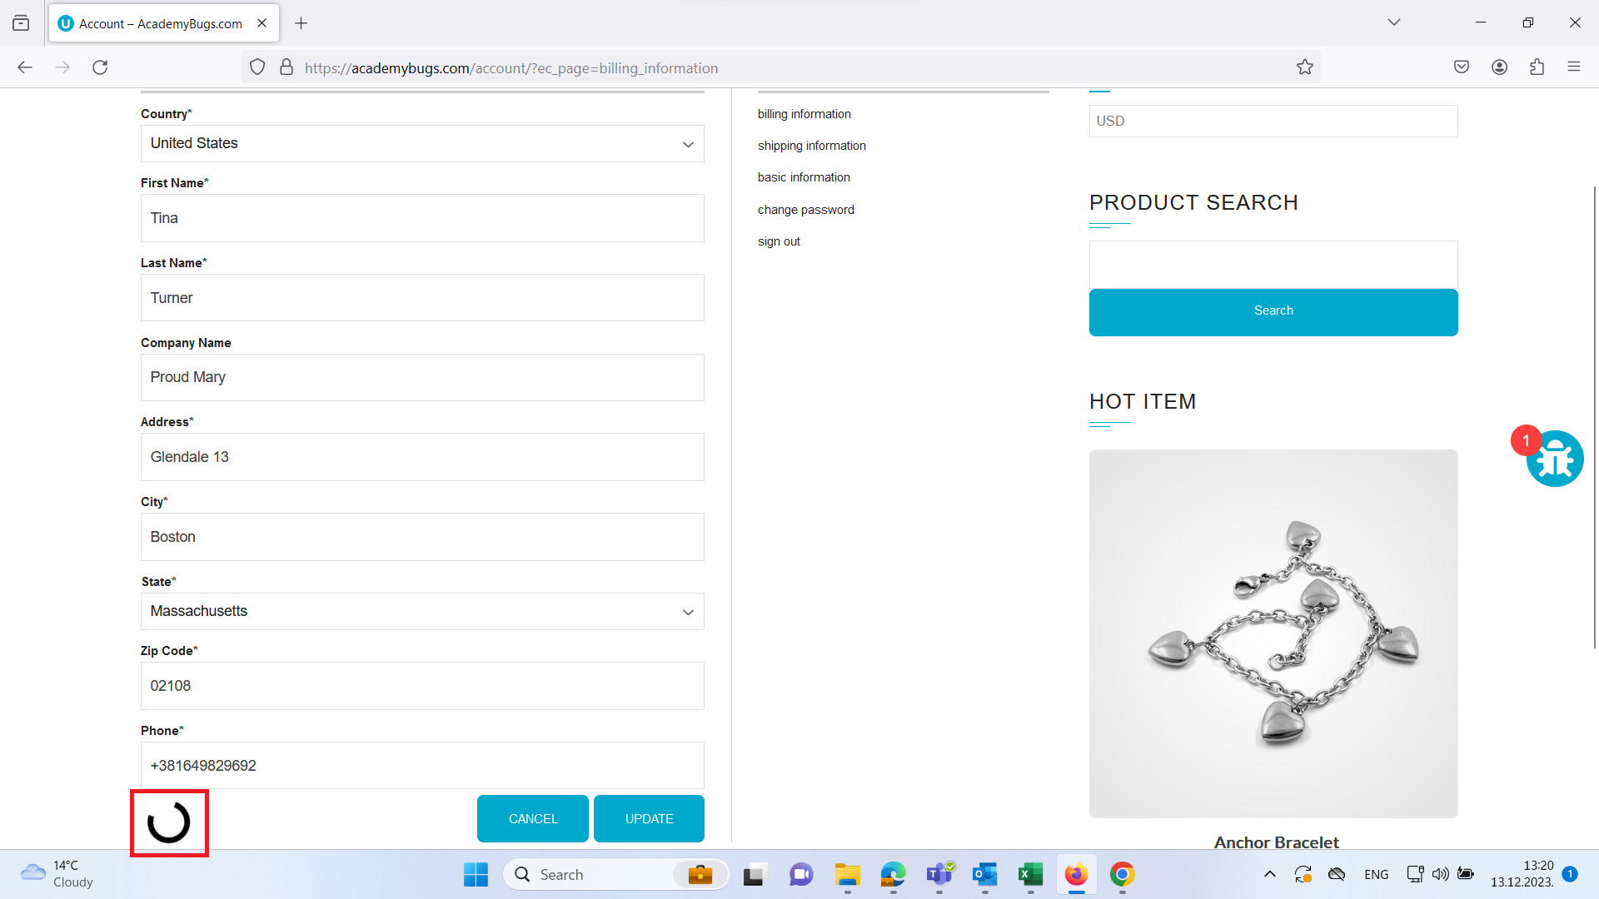
 | Firefox

 | Google Chrome

